FAS
Confidential
Confidential
Confidential
Exam No: 206/19
SOUTH EASTERN UNIVERSITY OF SRI LANKA
EXAMINATIONS DIVISION
FINAL MARKs SHEET
FINAL MARKs SHEET
FINAL MARKs SHEET

Name of Examination |  |  | : First, Second & Third Examination in Faculty of Applied Sciences -2016/2017
Semester |  |  | : II, January -2019
Subject Code |  |  | :
Title of the paper |  |  | :

S. No. | Candidate's Index No | 1st Marking 100% | 2nd Marking 100% | Theory Average 100% | Converted (T) | Assessment 100% | Converted (CA) | Total (T+CA) | Grade
 |  |  |  |  | 50% |  | 50%
01 |  | 25 | 25 | 25.0 | 12.5 | 30 | 15.0 | 28 | D
02 |  | 15 | 18 | 16.5 | 8.3 | 50 | 25.0 | 34 | IC
03 |  | 40 | 40 | 40.0 | 20.0 | 50 | 25.0 | 45 | C
04 |  | 65 | 65 | 65.0 | 32.5 |  | 22.0 | 55 | B-
05 |  |  |  | #DIV/0! | #DIV/0! |  | 0.0 | #DIV/0! | #DIV/0!
06 |  |  |  | #DIV/0! | #DIV/0! |  | 0.0 | #DIV/0! | #DIV/0!
07 |  |  |  | #DIV/0! | #DIV/0! |  | 0.0 | #DIV/0! | #DIV/0!
08 |  |  |  | #DIV/0! | #DIV/0! |  | 0.0 | #DIV/0! | #DIV/0!
09 |  |  |  | #DIV/0! | #DIV/0! |  | 0.0 | #DIV/0! | #DIV/0!
10 |  |  |  | #DIV/0! | #DIV/0! |  | 0.0 | #DIV/0! | #DIV/0!
11 |  |  |  | #DIV/0! | #DIV/0! |  | 0.0 | #DIV/0! | #DIV/0!
12 |  |  |  | #DIV/0! | #DIV/0! |  | 0.0 | #DIV/0! | #DIV/0!
13 |  |  |  | #DIV/0! | #DIV/0! |  | 0.0 | #DIV/0! | #DIV/0!
14 |  |  |  | #DIV/0! | #DIV/0! |  | 0.0 | #DIV/0! | #DIV/0!
15 |  |  |  | #DIV/0! | #DIV/0! |  | 0.0 | #DIV/0! | #DIV/0!
16 |  |  |  | #DIV/0! | #DIV/0! |  | 0.0 | #DIV/0! | #DIV/0!
17 |  |  |  | #DIV/0! | #DIV/0! |  | 0.0 | #DIV/0! | #DIV/0!
18 |  |  |  | #DIV/0! | #DIV/0! |  | 0.0 | #DIV/0! | #DIV/0!
19 |  |  |  | #DIV/0! | #DIV/0! |  | 0.0 | #DIV/0! | #DIV/0!
20 |  |  |  | #DIV/0! | #DIV/0! |  | 0.0 | #DIV/0! | #DIV/0!
21 |  |  |  | #DIV/0! | #DIV/0! |  | 0.0 | #DIV/0! | #DIV/0!
22 |  |  |  | #DIV/0! | #DIV/0! |  | 0.0 | #DIV/0! | #DIV/0!
23 |  |  |  | #DIV/0! | #DIV/0! |  | 0.0 | #DIV/0! | #DIV/0!
24 |  |  |  | #DIV/0! | #DIV/0! |  | 0.0 | #DIV/0! | #DIV/0!
25 |  |  |  | #DIV/0! | #DIV/0! |  | 0.0 | #DIV/0! | #DIV/0!
26 |  |  |  | #DIV/0! | #DIV/0! |  | 0.0 | #DIV/0! | #DIV/0!
27 |  |  |  | #DIV/0! | #DIV/0! |  | 0.0 | #DIV/0! | #DIV/0!
28 |  |  |  | #DIV/0! | #DIV/0! |  | 0.0 | #DIV/0! | #DIV/0!
29 |  |  |  | #DIV/0! | #DIV/0! |  | 0.0 | #DIV/0! | #DIV/0!
30 |  |  |  | #DIV/0! | #DIV/0! |  | 0.0 | #DIV/0! | #DIV/0!
31 |  |  |  | #DIV/0! | #DIV/0! |  | 0.0 | #DIV/0! | #DIV/0!
32 |  |  |  | #DIV/0! | #DIV/0! |  | 0.0 | #DIV/0! | #DIV/0!
33 |  |  |  | #DIV/0! | #DIV/0! |  | 0.0 | #DIV/0! | #DIV/0!
34 |  |  |  | #DIV/0! | #DIV/0! |  | 0.0 | #DIV/0! | #DIV/0!
35 |  |  |  | #DIV/0! | #DIV/0! |  | 0.0 | #DIV/0! | #DIV/0!

…………………………… |  |  |  | ……………………… |  |  | ………………………
Lecturer in Charge |  |  |  | Head of Department |  |  | Dean/FAS

FE
Confidential
EX. No. FE 31/19
SOUTH EASTERN UNIVERSITY OF SRI LANKA
EXAMINATIONS DIVISION
FINAL MARKs SHEET

Name of Examination |  |  | : End Semester Examination in Faculty of Engineering - 2016/2017
Semester |  |  | : II - January -2019
Code & Title of the paper |  |  | :

S. No. | Candidate's Index No | 1st Marking 100% | 2nd Marking 100% | Average 100% | Converted (E) | Assessment 100% | Converted (CA) | Total (E+CA) | Grade
 |  |  |  |  | 70% |  | 30%
01 |  | 65 | 65 | 65.0 | 45.5 |  | 25.0 | 71 | I-CA
02 |  | 45 | 55 | 50.0 | 35.0 |  | 0.0 | 35 | I-CA
03 |  |  |  | #DIV/0! | #DIV/0! |  | 0.0 | #DIV/0! | #DIV/0!
04 |  |  |  | #DIV/0! | #DIV/0! |  | 0.0 | #DIV/0! | #DIV/0!
05 |  |  |  | #DIV/0! | #DIV/0! |  | 0.0 | #DIV/0! | #DIV/0!
06 |  |  |  | #DIV/0! | #DIV/0! |  | 0.0 | #DIV/0! | #DIV/0!
07 |  |  |  | #DIV/0! | #DIV/0! |  | 0.0 | #DIV/0! | #DIV/0!
08 |  |  |  | #DIV/0! | #DIV/0! |  | 0.0 | #DIV/0! | #DIV/0!
09 |  |  |  | #DIV/0! | #DIV/0! |  | 0.0 | #DIV/0! | #DIV/0!
10 |  |  |  | #DIV/0! | #DIV/0! |  | 0.0 | #DIV/0! | #DIV/0!
11 |  |  |  | #DIV/0! | #DIV/0! |  | 0.0 | #DIV/0! | #DIV/0!
12 |  |  |  | #DIV/0! | #DIV/0! |  | 0.0 | #DIV/0! | #DIV/0!
13 |  |  |  | #DIV/0! | #DIV/0! |  | 0.0 | #DIV/0! | #DIV/0!
14 |  |  |  | #DIV/0! | #DIV/0! |  | 0.0 | #DIV/0! | #DIV/0!
15 |  |  |  | #DIV/0! | #DIV/0! |  | 0.0 | #DIV/0! | #DIV/0!
16 |  |  |  | #DIV/0! | #DIV/0! |  | 0.0 | #DIV/0! | #DIV/0!
17 |  |  |  | #DIV/0! | #DIV/0! |  | 0.0 | #DIV/0! | #DIV/0!
18 |  |  |  | #DIV/0! | #DIV/0! |  | 0.0 | #DIV/0! | #DIV/0!
19 |  |  |  | #DIV/0! | #DIV/0! |  | 0.0 | #DIV/0! | #DIV/0!
20 |  |  |  | #DIV/0! | #DIV/0! |  | 0.0 | #DIV/0! | #DIV/0!
21 |  |  |  | #DIV/0! | #DIV/0! |  | 0.0 | #DIV/0! | #DIV/0!
22 |  |  |  | #DIV/0! | #DIV/0! |  | 0.0 | #DIV/0! | #DIV/0!
23 |  |  |  | #DIV/0! | #DIV/0! |  | 0.0 | #DIV/0! | #DIV/0!
24 |  |  |  | #DIV/0! | #DIV/0! |  | 0.0 | #DIV/0! | #DIV/0!
25 |  |  |  | #DIV/0! | #DIV/0! |  | 0.0 | #DIV/0! | #DIV/0!
26 |  |  |  | #DIV/0! | #DIV/0! |  | 0.0 | #DIV/0! | #DIV/0!
27 |  |  |  | #DIV/0! | #DIV/0! |  | 0.0 | #DIV/0! | #DIV/0!
28 |  |  |  | #DIV/0! | #DIV/0! |  | 0.0 | #DIV/0! | #DIV/0!
29 |  |  |  | #DIV/0! | #DIV/0! |  | 0.0 | #DIV/0! | #DIV/0!
30 |  |  |  | #DIV/0! | #DIV/0! |  | 0.0 | #DIV/0! | #DIV/0!
31 |  |  |  | #DIV/0! | #DIV/0! |  | 0.0 | #DIV/0! | #DIV/0!
32 |  |  |  | #DIV/0! | #DIV/0! |  | 0.0 | #DIV/0! | #DIV/0!
33 |  |  |  | #DIV/0! | #DIV/0! |  | 0.0 | #DIV/0! | #DIV/0!
34 |  |  |  | #DIV/0! | #DIV/0! |  | 0.0 | #DIV/0! | #DIV/0!
35 |  |  |  | #DIV/0! | #DIV/0! |  | 0.0 | #DIV/0! | #DIV/0!
36 |  |  |  | #DIV/0! | #DIV/0! |  | 0.0 | #DIV/0! | #DIV/0!
37 |  |  |  | #DIV/0! | #DIV/0! |  | 0.0 | #DIV/0! | #DIV/0!
38 |  |  |  | #DIV/0! | #DIV/0! |  | 0.0 | #DIV/0! | #DIV/0!
39 |  |  |  | #DIV/0! | #DIV/0! |  | 0.0 | #DIV/0! | #DIV/0!
40 |  |  |  | #DIV/0! | #DIV/0! |  | 0.0 | #DIV/0! | #DIV/0!
41 |  |  |  | #DIV/0! | #DIV/0! |  | 0.0 | #DIV/0! | #DIV/0!

…………………………… |  |  | ………………………… |  |  |  | ………………………
Lecturer in Charge |  |  | Date |  |  |  | Head of Department

FIA
Confidential
EX. No. FIA 02/19
SOUTH EASTERN UNIVERSITY OF SRI LANKA
EXAMINATIONS DIVISION
FINAL MARKs SHEET
 |  | Faculty of Islamic Studies and Arabic Language

Name of Examination : |  |  | 1st / 2nd / 3rd / 4th Examination
Academic Year : |  |  | 2016/2017
Semester : |  |  | I / II
Period of Exam : |  |  | January / February - 2019
Subject Code of the paper :
Subject Title of the paper :

S. No. | Candidate's Index No | 1st Marking 100% | 2nd Marking 100% | Average 100% | Converted (T) | Assignment (CA) | Total (T+CA) | Grade
 |  |  |  |  | 70% | 30%
01 |  | 65 | 65 | 65.0 | 45.5 | 20.0 | 66 | A-
02 |  | 55 | 48 | 51.5 | 36.1 | 23.0 | 60 | B+
03 |  |  |  | #DIV/0! | #DIV/0! |  | #DIV/0! | #DIV/0!
04 |  |  |  | #DIV/0! | #DIV/0! |  | #DIV/0! | #DIV/0!
05 |  |  |  | #DIV/0! | #DIV/0! |  | #DIV/0! | #DIV/0!
06 |  |  |  | #DIV/0! | #DIV/0! |  | #DIV/0! | #DIV/0!
07 |  |  |  | #DIV/0! | #DIV/0! |  | #DIV/0! | #DIV/0!
08 |  |  |  | #DIV/0! | #DIV/0! |  | #DIV/0! | #DIV/0!
09 |  |  |  | #DIV/0! | #DIV/0! |  | #DIV/0! | #DIV/0!
10 |  |  |  | #DIV/0! | #DIV/0! |  | #DIV/0! | #DIV/0!
11 |  |  |  | #DIV/0! | #DIV/0! |  | #DIV/0! | #DIV/0!
12 |  |  |  | #DIV/0! | #DIV/0! |  | #DIV/0! | #DIV/0!
13 |  |  |  | #DIV/0! | #DIV/0! |  | #DIV/0! | #DIV/0!
14 |  |  |  | #DIV/0! | #DIV/0! |  | #DIV/0! | #DIV/0!
15 |  |  |  | #DIV/0! | #DIV/0! |  | #DIV/0! | #DIV/0!
16 |  |  |  | #DIV/0! | #DIV/0! |  | #DIV/0! | #DIV/0!
17 |  |  |  | #DIV/0! | #DIV/0! |  | #DIV/0! | #DIV/0!
18 |  |  |  | #DIV/0! | #DIV/0! |  | #DIV/0! | #DIV/0!
19 |  |  |  | #DIV/0! | #DIV/0! |  | #DIV/0! | #DIV/0!
20 |  |  |  | #DIV/0! | #DIV/0! |  | #DIV/0! | #DIV/0!
21 |  |  |  | #DIV/0! | #DIV/0! |  | #DIV/0! | #DIV/0!
22 |  |  |  | #DIV/0! | #DIV/0! |  | #DIV/0! | #DIV/0!
23 |  |  |  | #DIV/0! | #DIV/0! |  | #DIV/0! | #DIV/0!
24 |  |  |  | #DIV/0! | #DIV/0! |  | #DIV/0! | #DIV/0!
25 |  |  |  | #DIV/0! | #DIV/0! |  | #DIV/0! | #DIV/0!
26 |  |  |  | #DIV/0! | #DIV/0! |  | #DIV/0! | #DIV/0!
27 |  |  |  | #DIV/0! | #DIV/0! |  | #DIV/0! | #DIV/0!
28 |  |  |  | #DIV/0! | #DIV/0! |  | #DIV/0! | #DIV/0!
29 |  |  |  | #DIV/0! | #DIV/0! |  | #DIV/0! | #DIV/0!
30 |  |  |  | #DIV/0! | #DIV/0! |  | #DIV/0! | #DIV/0!
31 |  |  |  | #DIV/0! | #DIV/0! |  | #DIV/0! | #DIV/0!
32 |  |  |  | #DIV/0! | #DIV/0! |  | #DIV/0! | #DIV/0!

 | ………………………………. |  |  | ………………………………. |  |  | ……………………………….
 | Lecturer in Charge |  |  | Head of Department |  |  | Dean / FIA
Date: | ………………………………. |  |  | ………………………………. |  |  | ……………………………….

FMC
Confidential
EX. No. 186/19
SOUTH EASTERN UNIVERSITY OF SRI LANKA
EXAMINATIONS DIVISION
FINAL MARK SHEET

Name of Examination: |  |  | First Examination in B com - 2016 / 2017 |  |  |  |  |  | <---- | Red Letter may be change relevant year & course
Semester : |  |  | II - March / April - 2019
Code & Title of the paper :

S. No. | Candidate's | 1st Marking | 2nd Marking | Average | Converted | Assignment | Total | Grading
 | Index No | 100% | 100% | 100% | 80% | 20% |  |  | <---- | 80% | 20% | This raw may be change
01 |  | 75.00 | 75.00 | 75.00 | 60.0 | 15.00 | 75 | A+ |  | 70% | 30%
02 |  | 45.00 | 45.00 | 45.00 | 36.0 | 22.00 | 58 | B |  | 60% | 40%
03 |  |  |  | #DIV/0! | #DIV/0! |  | #DIV/0! | #DIV/0!
04 |  |  |  | #DIV/0! | #DIV/0! |  | #DIV/0! | #DIV/0!
05 |  |  |  | #DIV/0! | #DIV/0! |  | #DIV/0! | #DIV/0!
06 |  |  |  | #DIV/0! | #DIV/0! |  | #DIV/0! | #DIV/0!
07 |  |  |  | #DIV/0! | #DIV/0! |  | #DIV/0! | #DIV/0!
08 |  |  |  | #DIV/0! | #DIV/0! |  | #DIV/0! | #DIV/0!
09 |  |  |  | #DIV/0! | #DIV/0! |  | #DIV/0! | #DIV/0!
10 |  |  |  | #DIV/0! | #DIV/0! |  | #DIV/0! | #DIV/0!
11 |  |  |  | #DIV/0! | #DIV/0! |  | #DIV/0! | #DIV/0!
12 |  |  |  | #DIV/0! | #DIV/0! |  | #DIV/0! | #DIV/0!
13 |  |  |  | #DIV/0! | #DIV/0! |  | #DIV/0! | #DIV/0!
14 |  |  |  | #DIV/0! | #DIV/0! |  | #DIV/0! | #DIV/0!
15 |  |  |  | #DIV/0! | #DIV/0! |  | #DIV/0! | #DIV/0!
16 |  |  |  | #DIV/0! | #DIV/0! |  | #DIV/0! | #DIV/0!
17 |  |  |  | #DIV/0! | #DIV/0! |  | #DIV/0! | #DIV/0!
18 |  |  |  | #DIV/0! | #DIV/0! |  | #DIV/0! | #DIV/0!
19 |  |  |  | #DIV/0! | #DIV/0! |  | #DIV/0! | #DIV/0!
20 |  |  |  | #DIV/0! | #DIV/0! |  | #DIV/0! | #DIV/0!
21 |  |  |  | #DIV/0! | #DIV/0! |  | #DIV/0! | #DIV/0!
22 |  |  |  | #DIV/0! | #DIV/0! |  | #DIV/0! | #DIV/0! |  | ab
23 |  |  |  | #DIV/0! | #DIV/0! |  | #DIV/0! | #DIV/0!
24 |  |  |  | #DIV/0! | #DIV/0! |  | #DIV/0! | #DIV/0!
25 |  |  |  | #DIV/0! | #DIV/0! |  | #DIV/0! | #DIV/0!
26 |  |  |  | #DIV/0! | #DIV/0! |  | #DIV/0! | #DIV/0!
27 |  |  |  | #DIV/0! | #DIV/0! |  | #DIV/0! | #DIV/0!
28 |  |  |  | #DIV/0! | #DIV/0! |  | #DIV/0! | #DIV/0!
29 |  |  |  | #DIV/0! | #DIV/0! |  | #DIV/0! | #DIV/0!
30 |  |  |  | #DIV/0! | #DIV/0! |  | #DIV/0! | #DIV/0!
31 |  |  |  | #DIV/0! | #DIV/0! |  | #DIV/0! | #DIV/0!
32 |  |  |  | #DIV/0! | #DIV/0! |  | #DIV/0! | #DIV/0!
33 |  |  |  | #DIV/0! | #DIV/0! |  | #DIV/0! | #DIV/0!
34 |  |  |  | #DIV/0! | #DIV/0! |  | #DIV/0! | #DIV/0!
35 |  |  |  | #DIV/0! | #DIV/0! |  | #DIV/0! | #DIV/0!
36 |  |  |  | #DIV/0! | #DIV/0! |  | #DIV/0! | #DIV/0!
37 |  |  |  | #DIV/0! | #DIV/0! |  | #DIV/0! | #DIV/0!
38 |  |  |  | #DIV/0! | #DIV/0! |  | #DIV/0! | #DIV/0!
39 |  |  |  | #DIV/0! | #DIV/0! |  | #DIV/0! | #DIV/0!
40 |  |  |  | #DIV/0! | #DIV/0! |  | #DIV/0! | #DIV/0!
41 |  |  |  | #DIV/0! | #DIV/0! |  | #DIV/0! | #DIV/0!
42 |  |  |  | #DIV/0! | #DIV/0! |  | #DIV/0! | #DIV/0!
43 |  |  |  | #DIV/0! | #DIV/0! |  | #DIV/0! | #DIV/0!
44 |  |  |  | #DIV/0! | #DIV/0! |  | #DIV/0! | #DIV/0!
45 |  |  |  | #DIV/0! | #DIV/0! |  | #DIV/0! | #DIV/0!

…………………………… |  |  |  |  |  |  | ................................
Initials of Examiners |  |  | Date:................................. |  |  |  | Head of Department
 |  |  | Repeat Candidates
Code & Title of the paper :

S. No. | Candidate's Index No | 1st Marking 100% | 2nd Marking 100% | Average 100% | Converted 80% | Assignment/ Tutorial 20% | Total | Grading
01 |  |  |  | #DIV/0! | *** | *** | #DIV/0! | #DIV/0!
02 |  |  |  | #DIV/0! | *** | *** | #DIV/0! | #DIV/0! |  | ab
03 |  |  |  | #DIV/0! | *** | *** | #DIV/0! | #DIV/0!
04 |  |  |  | #DIV/0! | *** | *** | #DIV/0! | #DIV/0!
05 |  |  |  | #DIV/0! | *** | *** | #DIV/0! | #DIV/0!
06 |  |  |  | #DIV/0! | *** | *** | #DIV/0! | #DIV/0!
07 |  |  |  | #DIV/0! | *** | *** | #DIV/0! | #DIV/0!
08 |  |  |  | #DIV/0! | *** | *** | #DIV/0! | #DIV/0!
09 |  |  |  | #DIV/0! | *** | *** | #DIV/0! | #DIV/0!
10 |  |  |  | #DIV/0! | *** | *** | #DIV/0! | #DIV/0!
11 |  |  |  | #DIV/0! | *** | *** | #DIV/0! | #DIV/0!
12 |  |  |  | #DIV/0! | *** | *** | #DIV/0! | #DIV/0!
13 |  |  |  | #DIV/0! | *** | *** | #DIV/0! | #DIV/0!
14 |  |  |  | #DIV/0! | *** | *** | #DIV/0! | #DIV/0!
15 |  |  |  | #DIV/0! | *** | *** | #DIV/0! | #DIV/0!
16 |  |  |  | #DIV/0! | *** | *** | #DIV/0! | #DIV/0!
17 |  |  |  | #DIV/0! | *** | *** | #DIV/0! | #DIV/0!
18 |  |  |  | #DIV/0! | *** | *** | #DIV/0! | #DIV/0!
19 |  |  |  | #DIV/0! | *** | *** | #DIV/0! | #DIV/0!
20 |  |  |  | #DIV/0! | *** | *** | #DIV/0! | #DIV/0!
21 |  |  |  | #DIV/0! | *** | *** | #DIV/0! | #DIV/0!
22 |  |  |  | #DIV/0! | *** | *** | #DIV/0! | #DIV/0!
23 |  |  |  | #DIV/0! | *** | *** | #DIV/0! | #DIV/0!
24 |  |  |  | #DIV/0! | *** | *** | #DIV/0! | #DIV/0!
25 |  |  |  | #DIV/0! | *** | *** | #DIV/0! | #DIV/0!
26 |  |  |  | #DIV/0! | *** | *** | #DIV/0! | #DIV/0!
27 |  |  |  | #DIV/0! | *** | *** | #DIV/0! | #DIV/0!
28 |  |  |  | #DIV/0! | *** | *** | #DIV/0! | #DIV/0!
29 |  |  |  | #DIV/0! | *** | *** | #DIV/0! | #DIV/0!
30 |  |  |  | #DIV/0! | *** | *** | #DIV/0! | #DIV/0!

…………………………… |  |  |  |  |  |  | ................................
Initials of Examiners |  |  | Date:................................. |  |  |  | Head of Department

A+ | 0
A | 0
A- | 0
B+ | 0
B | 0
B- | 0
C+ | 0
C | 0
C- | 0
D+ | 0
D | 0
E | 0
 |  |  |  |  |  | Grade Counting
 |  |  |  |  |  | 75 - 100 | A+ | 1
 |  |  |  |  |  | 70 - 74 | A | 0
 |  |  |  |  |  | 65 - 69 | A- | 0
 |  |  |  |  |  | 60 - 64 | B+ | 0
 |  |  |  |  |  | 55 - 59 | B | 1
 |  |  |  |  |  | 50 - 54 | B- | 0
 |  |  |  |  |  | 45 - 49 | C+ | 0
 |  |  |  |  |  | 40 - 44 | C | 0
 |  |  |  |  |  | 35 - 39 | C- | 0
 |  |  |  |  |  | 30 - 34 | D+ | 0
 |  |  |  |  |  | 25 - 29 | D | 0
 |  |  |  |  |  | 00 - 24 | E | 0
 |  |  |  |  |  | Absentia | ab | 0
 |  |  |  |  |  | Total |  | 2

FT (2015 & 2016
SOUTH EASTERN UNIVERSITY OF SRI LANKA EXAMINATIONS DIVISION
Confidential
FINAL MARKS SHEET
EX No: FT 04/19

Name of Examination: |  |  | Second Examination in Bachelor of ICT - 2016 / 2017
Semester : |  |  | Semester II
Code & Title of the paper : |  |  | CIS12012 - Social Computing
S. No. | Candidate' s Index No | 1st Marking 100% | 2nd Marking 100% | Average (ESE) 100% | Converted (ESE) 60% | Cont. Assesment (CA) 100% | Cont. Assesment (CA) 40% | Total | Roundup | Grade
1 | ICT001 |  |  | #DIV/0! | #DIV/0! |  | 0.00 | #DIV/0! | #DIV/0! | #DIV/0!
2 | ICT002 |  |  | #DIV/0! | #DIV/0! |  | 0.00 | #DIV/0! | #DIV/0! | #DIV/0!
3 | ICT003 |  |  | #DIV/0! | #DIV/0! |  | 0.00 | #DIV/0! | #DIV/0! | #DIV/0! | CA percentage | 40%
4 | ICT004 |  |  | #DIV/0! | #DIV/0! |  | 0.00 | #DIV/0! | #DIV/0! | #DIV/0! | ESE Percentage | 60%
5 | ICT005 |  |  | #DIV/0! | #DIV/0! |  | 0.00 | #DIV/0! | #DIV/0! | #DIV/0!
6 | ICT006 |  |  | #DIV/0! | #DIV/0! |  | 0.00 | #DIV/0! | #DIV/0! | #DIV/0! | Not applicable for 2017 Batch
7 | ICT007 | AB |  |  |  |  |  |  |  |  | 90 - 100 | A+ | CA & ESE <30% | E
8 | ICT008 |  |  | #DIV/0! | #DIV/0! |  | 0.00 | #DIV/0! | #DIV/0! | #DIV/0! | 75 - 89 | A | CA<30% & ESE ≥ 30% | ICA
9 | ICT009 |  |  | #DIV/0! | #DIV/0! |  | 0.00 | #DIV/0! | #DIV/0! | #DIV/0! | 70 - 74 | A- | ESE<30% & CA ≥ 30% | ISE
10 | ICT010 |  |  | #DIV/0! | #DIV/0! |  | 0.00 | #DIV/0! | #DIV/0! | #DIV/0! | 65 - 69 | B+
11 | ICT011 |  |  | #DIV/0! | #DIV/0! |  | 0.00 | #DIV/0! | #DIV/0! | #DIV/0! | 60 - 64 | B
12 | ICT012 |  |  | #DIV/0! | #DIV/0! |  | 0.00 | #DIV/0! | #DIV/0! | #DIV/0! | 55 - 59 | B-
13 | ICT013 |  |  | #DIV/0! | #DIV/0! |  | 0.00 | #DIV/0! | #DIV/0! | #DIV/0! | 50 - 54 | C+
14 | ICT014 |  |  | #DIV/0! | #DIV/0! |  | 0.00 | #DIV/0! | #DIV/0! | #DIV/0! | 45 - 49 | C
15 | ICT015 |  |  | #DIV/0! | #DIV/0! |  | 0.00 | #DIV/0! | #DIV/0! | #DIV/0! | 40 - 44 | C-
16 | ICT016 |  |  | #DIV/0! | #DIV/0! |  | 0.00 | #DIV/0! | #DIV/0! | #DIV/0! | 35 - 39 | D+
17 | ICT017 |  |  | #DIV/0! | #DIV/0! |  | 0.00 | #DIV/0! | #DIV/0! | #DIV/0! | 30 - 34 | D
18 | ICT018 |  |  | #DIV/0! | #DIV/0! |  | 0.00 | #DIV/0! | #DIV/0! | #DIV/0! | 0 - 29 | E
19 | ICT019 |  |  | #DIV/0! | #DIV/0! |  | 0.00 | #DIV/0! | #DIV/0! | #DIV/0! | CA - Continuous Assessment
20 | ICT020 |  |  | #DIV/0! | #DIV/0! |  | 0.00 | #DIV/0! | #DIV/0! | #DIV/0! | ESE - End Semester Examination

...………………… Initial of Examiner(s) |  |  | Date:................................. |  |  |  | ................................... Head of the Department

FT (2017 onwards)
SOUTH EASTERN UNIVERSITY OF SRI LANKA EXAMINATIONS DIVISION
Confidential
FINAL MARKS SHEET
EX No: FT 04/19

Name of Examination: |  |  | Second Examination in Bachelor of ICT - 2016 / 2017
Semester : |  |  | Semester II
Code & Title of the paper : |  |  | CIS12012 - Social Computing
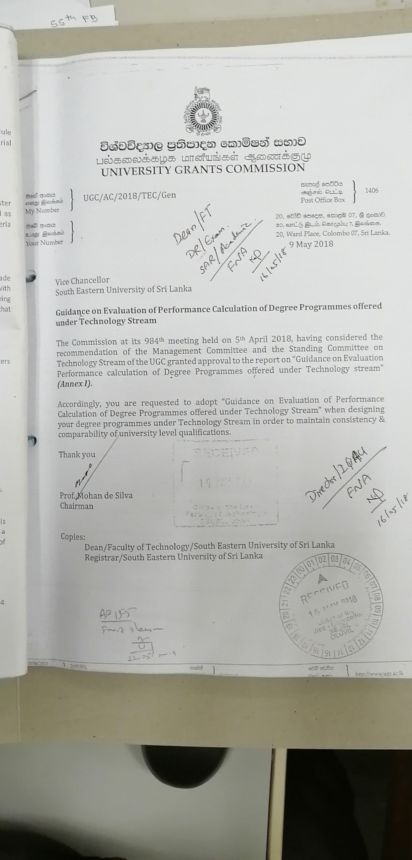
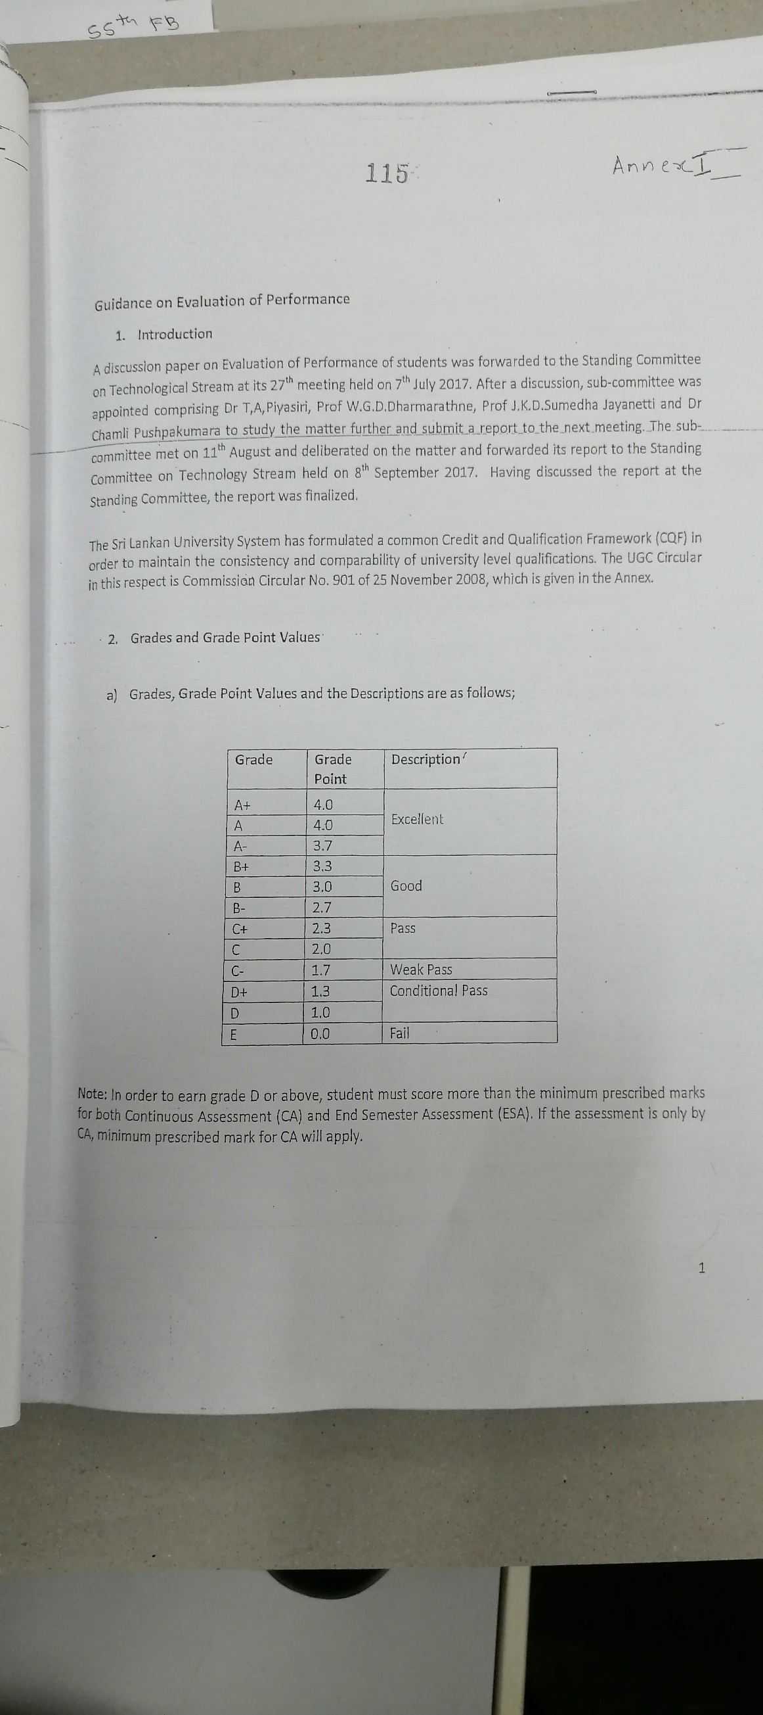
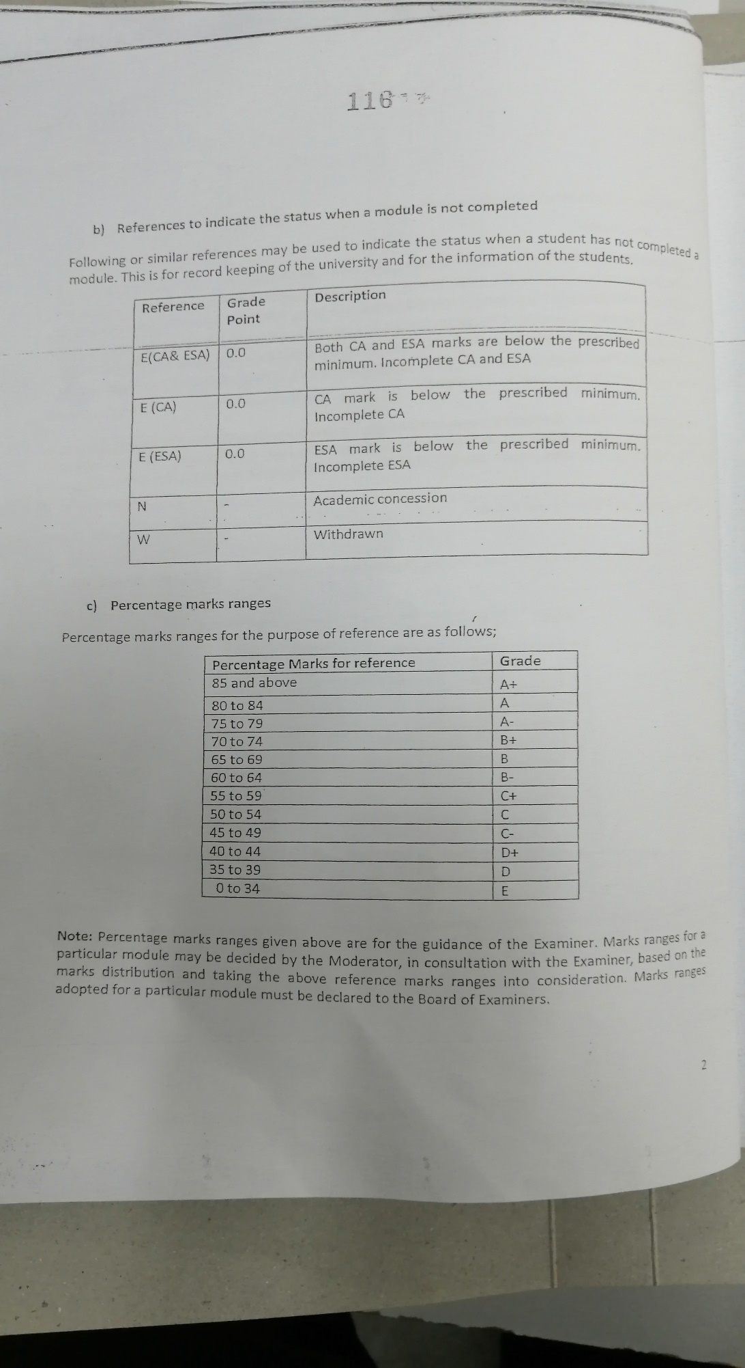
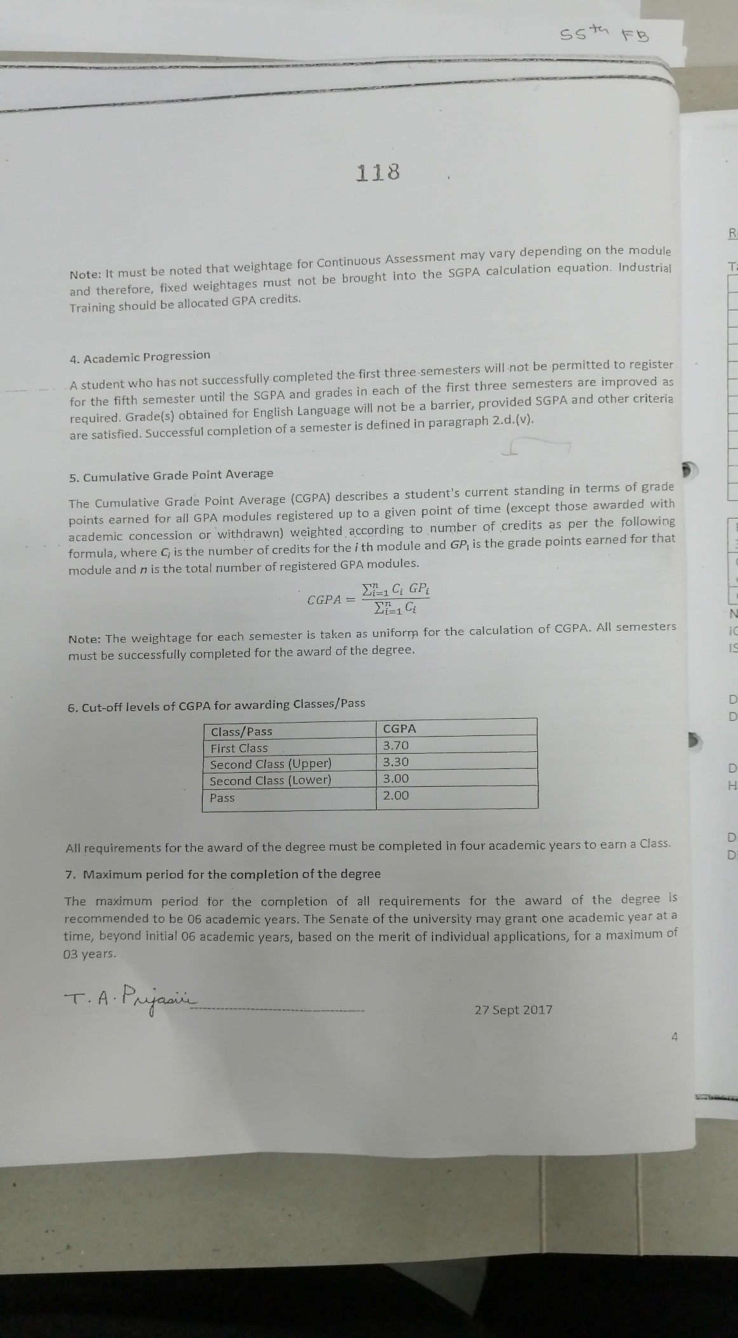
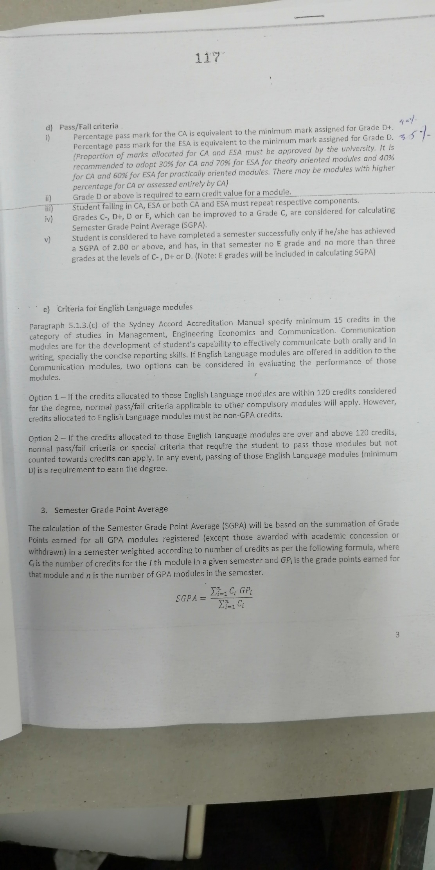
UGC Guidelines
Page 01
Page 02
Page 03
Page 05
Page 04
S. No. | Candidate' s Index No | 1st Marking 100% | 2nd Marking 100% | Average (ESA) 100% | Converted (ESA) 60% | Cont. Assesment (CA) 100% | Cont. Assesment (CA) 40% | Total | Roundup | Grade
1 | ICT001 |  |  | #DIV/0! | #DIV/0! |  | 0.00 | #DIV/0! | #DIV/0! | #DIV/0!
Faculty Board Decision
2 | ICT002 |  |  | #DIV/0! | #DIV/0! |  | 0.00 | #DIV/0! | #DIV/0! | #DIV/0!
3 | ICT003 |  |  | #DIV/0! | #DIV/0! |  | 0.00 | #DIV/0! | #DIV/0! | #DIV/0! | CA percentage | 40%
4 | ICT004 |  |  | #DIV/0! | #DIV/0! |  | 0.00 | #DIV/0! | #DIV/0! | #DIV/0! | ESE Percentage | 60%
5 | ICT005 |  |  | #DIV/0! | #DIV/0! |  | 0.00 | #DIV/0! | #DIV/0! | #DIV/0!
6 | ICT006 |  |  | #DIV/0! | #DIV/0! |  | 0.00 | #DIV/0! | #DIV/0! | #DIV/0! | Applicable for 2017 Batch onwards
7 | ICT007 | AB |  |  |  |  |  |  |  |  | 85 - 100 | A+ | CA<40% & ESA <35% | E(ESA&CA)
8 | ICT008 |  |  | #DIV/0! | #DIV/0! |  | 0.00 | #DIV/0! | #DIV/0! | #DIV/0! | 80 - 84 | A | CA<40% & ESA ≥ 35% | E(CA)
9 | ICT009 |  |  | #DIV/0! | #DIV/0! |  | 0.00 | #DIV/0! | #DIV/0! | #DIV/0! | 75 - 79 | A- | CA ≥ 40% & ESA<35% | E(ESA)
10 | ICT010 |  |  | #DIV/0! | #DIV/0! |  | 0.00 | #DIV/0! | #DIV/0! | #DIV/0! | 70 - 74 | B+
11 | ICT011 |  |  | #DIV/0! | #DIV/0! |  | 0.00 | #DIV/0! | #DIV/0! | #DIV/0! | 65 - 69 | B
12 | ICT012 |  |  | #DIV/0! | #DIV/0! |  | 0.00 | #DIV/0! | #DIV/0! | #DIV/0! | 60 - 64 | B-
13 | ICT013 |  |  | #DIV/0! | #DIV/0! |  | 0.00 | #DIV/0! | #DIV/0! | #DIV/0! | 55 - 59 | C+
14 | ICT014 |  |  | #DIV/0! | #DIV/0! |  | 0.00 | #DIV/0! | #DIV/0! | #DIV/0! | 50 - 54 | C
15 | ICT015 |  |  | #DIV/0! | #DIV/0! |  | 0.00 | #DIV/0! | #DIV/0! | #DIV/0! | 45 - 49 | C-
16 | ICT016 |  |  | #DIV/0! | #DIV/0! |  | 0.00 | #DIV/0! | #DIV/0! | #DIV/0! | 40 - 44 | D+
17 | ICT017 |  |  | #DIV/0! | #DIV/0! |  | 0.00 | #DIV/0! | #DIV/0! | #DIV/0! | 35 - 39 | D
18 | ICT018 |  |  | #DIV/0! | #DIV/0! |  | 0.00 | #DIV/0! | #DIV/0! | #DIV/0! | 0 - 34 | E
19 | ICT019 |  |  | #DIV/0! | #DIV/0! |  | 0.00 | #DIV/0! | #DIV/0! | #DIV/0! | CA - Continous Assessment
20 | ICT020 |  |  | #DIV/0! | #DIV/0! |  | 0.00 | #DIV/0! | #DIV/0! | #DIV/0! | ESA - End Semester Assessment

...………………… Initial of Examiner(s) |  |  | Date:................................. |  |  |  | ................................... Head of the Department

FAC
Confidential |  | Faculty of Arts & Culture |  |  |  | Ex. No. FAC 02/19
 | SOUTH EASTERN UNIVERSITY OF SRI LANKA
FINAL MARK SHEET
FINAL MARK SHEET
Name of Examination: First Year Examination in Arts - 2016/2017
Semester : II, January / Februay 2019
Code & Title of the paper :

S.N. | Candidate's Index No | 1st Marking 100% | 2nd Marking 100% | Average 100% | Converted 60% | Assignment/ Tutorial 40% | Total | Grading
1 |  | 65 | 65 | 65 | 39.0 | 30.0 | 69 | B+
2 |  | 45 | 45 | 45 | 27.0 | 22.0 | 49 | C
3 |  |  |  | #DIV/0! | #DIV/0! |  | #DIV/0! | #DIV/0!
4 |  |  |  | #DIV/0! | #DIV/0! |  | #DIV/0! | #DIV/0!
5 |  |  |  | #DIV/0! | #DIV/0! |  | #DIV/0! | #DIV/0!
6 |  |  |  | #DIV/0! | #DIV/0! |  | #DIV/0! | #DIV/0!
7 |  |  |  | #DIV/0! | #DIV/0! |  | #DIV/0! | #DIV/0!
8 |  |  |  | #DIV/0! | #DIV/0! |  | #DIV/0! | #DIV/0!
9 |  |  |  | #DIV/0! | #DIV/0! |  | #DIV/0! | #DIV/0!
10 |  |  |  | #DIV/0! | #DIV/0! |  | #DIV/0! | #DIV/0!
11 |  |  |  | #DIV/0! | #DIV/0! |  | #DIV/0! | #DIV/0!
12 |  |  |  | #DIV/0! | #DIV/0! |  | #DIV/0! | #DIV/0!
13 |  |  |  | #DIV/0! | #DIV/0! |  | #DIV/0! | #DIV/0!
14 |  |  |  | #DIV/0! | #DIV/0! |  | #DIV/0! | #DIV/0!
15 |  |  |  | #DIV/0! | #DIV/0! |  | #DIV/0! | #DIV/0!
16 |  |  |  | #DIV/0! | #DIV/0! |  | #DIV/0! | #DIV/0!
17 |  |  |  | #DIV/0! | #DIV/0! |  | #DIV/0! | #DIV/0!
18 |  |  |  | #DIV/0! | #DIV/0! |  | #DIV/0! | #DIV/0!
19 |  |  |  | #DIV/0! | #DIV/0! |  | #DIV/0! | #DIV/0!
20 |  |  |  | #DIV/0! | #DIV/0! |  | #DIV/0! | #DIV/0!
21 |  |  |  | #DIV/0! | #DIV/0! |  | #DIV/0! | #DIV/0!
22 |  |  |  | #DIV/0! | #DIV/0! |  | #DIV/0! | #DIV/0!
23 |  |  |  | #DIV/0! | #DIV/0! |  | #DIV/0! | #DIV/0!
24 |  |  |  | #DIV/0! | #DIV/0! |  | #DIV/0! | #DIV/0!
25 |  |  |  | #DIV/0! | #DIV/0! |  | #DIV/0! | #DIV/0!
26 |  |  |  | #DIV/0! | #DIV/0! |  | #DIV/0! | #DIV/0!
27 |  |  |  | #DIV/0! | #DIV/0! |  | #DIV/0! | #DIV/0!
28 |  |  |  | #DIV/0! | #DIV/0! |  | #DIV/0! | #DIV/0!
29 |  |  |  | #DIV/0! | #DIV/0! |  | #DIV/0! | #DIV/0!

 | …………………………………………… |  |  |  | …..………………………………………….…
 | Initials of Examiner |  |  |  |  | Head of Department

 | Date : ……………………………………

